Style Image-Result
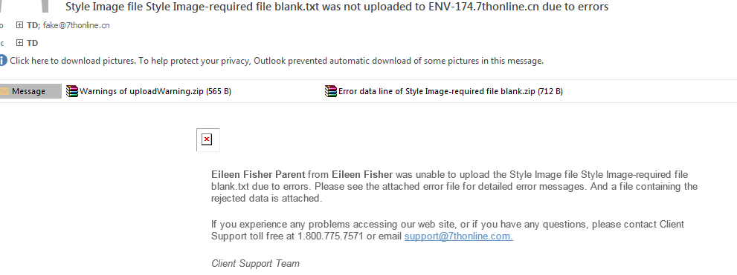
Warnings of uploadWarning.zip

Error data line of Style Image-required file blank.zip

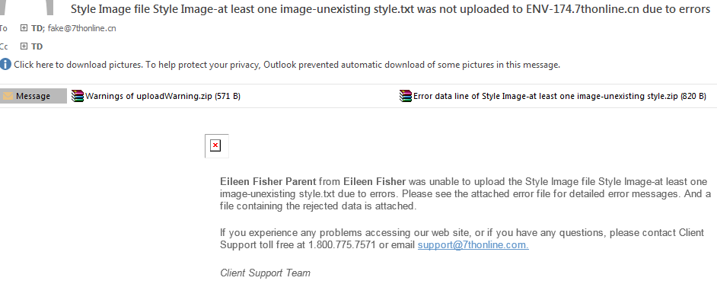
Warnings of uploadWarning.zip

Error data line of Style Image-at least one image-unexisting style.zip

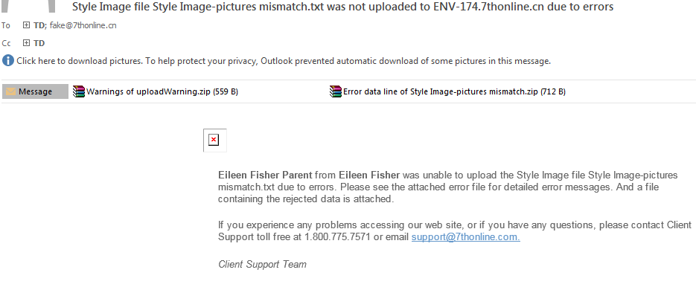
Warnings of uploadWarning.zip

Warnings of uploadWarning.zip

Swatch Image-Result
Case1 |  |  | Warnings of uploadWarning.zip
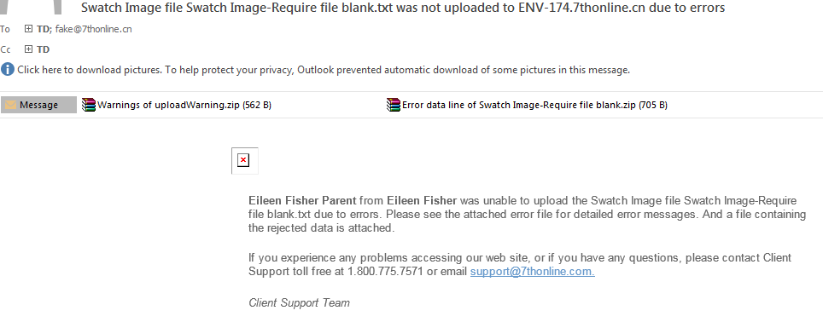

 |  |  | Error data line of Swatch Image-Require file blank.zip

Case2

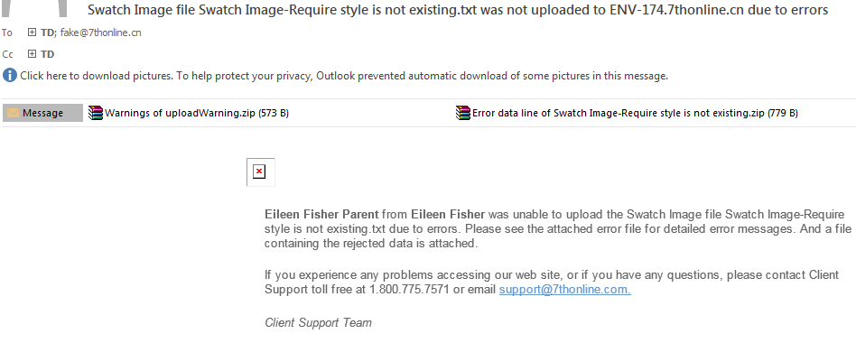
Case3
 | Warnings of uploadWarning.zip

 | Error data line of Swatch Image-Require style is not existing.zip
 | EILEENFISHER | AT-IMAGEaaa | 1 | BLACK | swatch-007.jpg

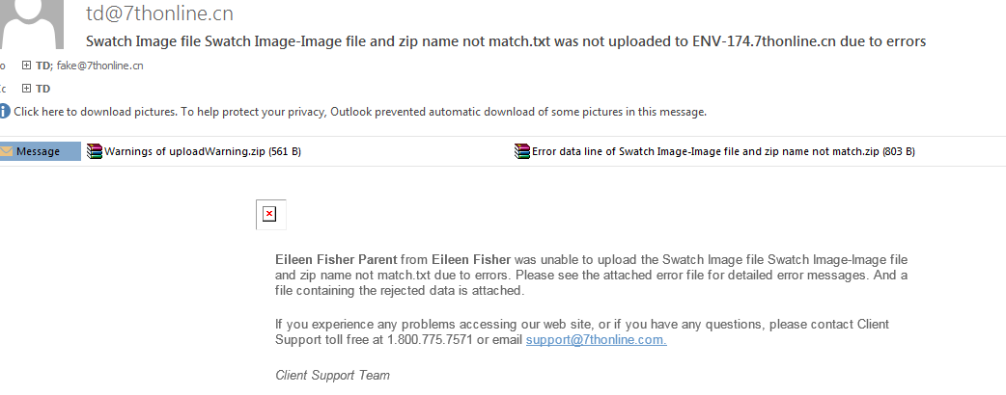
Case4
 |  |  | Warnings of uploadWarning.zip

 |  |  | Error data line of Swatch Image-Image file and zip name not match.zip
 |  |  | EILEENFISHER | AT-IMAGE008 | 1 | BLACK | swatch-aaa.jpg

